ET0
 |  | Rangpur

 |  |  |  |  |  | Rangpur |  |  |  |  |  | 0.408
day |  | degre celcius | degree celcius | degree celcius |  |  | MJ/m-2/min |  | radian | radian | radian | mm/day
Julian day | date | Tmax | Tmin | Tavg | Ra | ET0 | Gsc | Dr | Ws | Phi | delta | ET0 converted
91 | 2003-04-01 | 26.4 | 20.60 | 23.5 | 35.649411495 | 8.1553808922 | 0.082 | 1.0001420168 | 1.6053768496 | 0.44802601899 | 0.07 | 3.33 | Ra= solar radiation
92 | 2003-04-02 | 28.7 | 20.50 | 24.6 | 35.79203611 | 9.995097242 | 0.082 | 0.99957396023 | 1.6087240131 | 0.44802601899 | 0.08 | 4.08
93 | 2003-04-03 | 28.6 | 20.20 | 24.4 | 35.932603189 | 10.108078626 | 0.082 | 0.99900602994 | 1.6120639543 | 0.44802601899 | 0.09 | 4.12
94 | 2003-04-04 | 29.7 | 21.40 | 25.55 | 36.071081537 | 10.361321467 | 0.082 | 0.99843839419 | 1.6153960018 | 0.44802601899 | 0.09 | 4.23
95 | 2003-04-05 | 30.3 | 20.00 | 25.15 | 36.207442118 | 11.479090019 | 0.082 | 0.99787122117 | 1.6187194765 | 0.44802601899 | 0.10 | 4.68
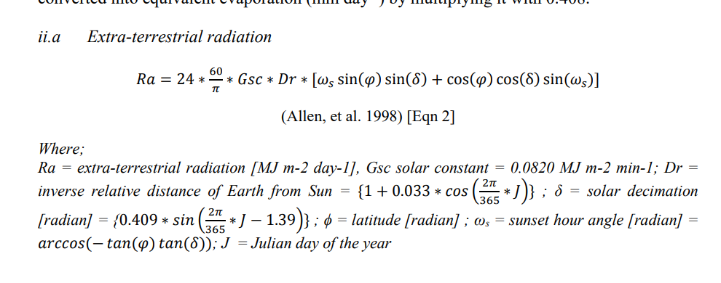
96 | 2003-04-06 | 33 | 20.40 | 26.7 | 36.341658052 | 13.203159119 | 0.082 | 0.99730467895 | 1.6220336917 | 0.44802601899 | 0.11 | 5.39
97 | 2003-04-07 | 35 | 23.00 | 29 | 36.473704606 | 13.600165353 | 0.082 | 0.99673893542 | 1.6253379521 | 0.44802601899 | 0.11 | 5.55
98 | 2003-04-08 | 35.3 | 18.80 | 27.05 | 36.603559179 | 15.337535182 | 0.082 | 0.99617415821 | 1.6286315534 | 0.44802601899 | 0.12 | 6.26
99 | 2003-04-09 | 35.7 | 19.80 | 27.75 | 36.731201293 | 15.344400015 | 0.082 | 0.99561051468 | 1.631913782 | 0.44802601899 | 0.13 | 6.26
100 | 2003-04-10 | 33.6 | 20.90 | 27.25 | 36.856612574 | 13.609429159 | 0.082 | 0.99504817185 | 1.6351839144 | 0.44802601899 | 0.13 | 5.55

 |  |  |  |  |  |  |  |  | ACOS
 |  |  |  |  |  |  |  |  | Arccos
 |  |  |  |  |  |  |  |  | Cos-1

